Master Graphs
Color Key
Text | Eco | Mainfare & Butterfield | Mainfare | Butterfield
Background | Eco | Mainfare & Butterfield | Mainfare | Butterfield | Aggregate/General | Period |  |  |  | NOTE: | interactive chart | [under development]
Bar Color | S24 | F24 | S25 | F25 | S26 | Mainfare & Butterfield | Mainfare | Butterfield | Trend
Pound Per Week by Semester
CO₂e Impact as *Miles Not Driven* by Semester
Mainfare Total lbs vs Butterfield Total lbs
[Total] Daily Composting Average
 | S '24 | F '24 | S '25 | F '25 | S '26*

Total Pounds per Semester
Pounds per Semester by Period
Average Pound per Hour
 | Total | Mainfare | Butterfield
Mainfare Daily Composting Average
 | F '24 | S '25 | F '25 | S '26*

Total Pounds Over Time
Pounds per Semester by Dining Hall-Period
Percent Increase in lb/hr by Dining Hall per Semester
Butterfield Daily Composting Average
 | F '24 | S '25 | F '25 | S '26*

Pounds per Week Over Time
Average Pound per Day
 | Mainfare | Butterfield | Total

Master Fall 2025
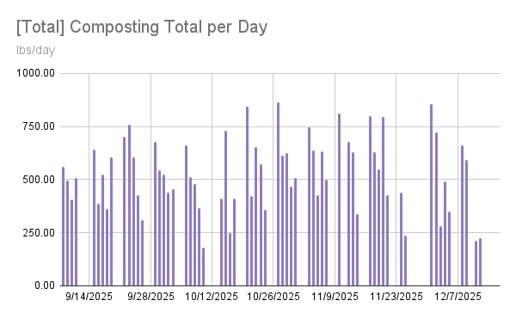
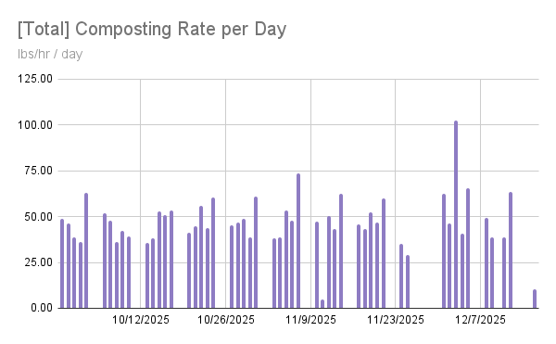
 |  | Fall 2025 Composting Data

# of ambassadors
14
 | F25 Mainfare Total Data |  |  | F25 Butterfield Total Data |  |  | F25 Total Data
 | Total lbs | 17,449 |  | Total lbs | 15,988 |  | Total lbs | 33,437
 | avg lb p/day | 272.64 |  | avg lb p/day | 270.98 |  | avg lb p/day | 514.42
 | Total lbs/hr | 51.26 |  | Total lbs/hr | 42.49 |  | Total lbs/hr | 46.68
 | avg ambassador lb p/hr | 49.19 |  | avg ambassador lb p/hr | 40.02 |  | avg ambassador lb p/hr | 44.20
 | Total hours | 266.93 |  | Total hours | 291.63 |  | Total hours | 558.57
 | avg hrs/day | 5:26:51 |  | avg hrs/day | 6:20:23 |  | avg hrs/day | 11:10:17
 | Impact [lbs of Co2e] | 11,089.36 |  | Impact [lbs of Co2e] | 10,160.85 |  | Impact [lbs of Co2e] | 21,250.22

 | Mainfare Weekday Data |  |  | Butterfield Weekday Data |  |  | Total Weekday Data
 | avg MF wkdy | Avg lb's/WD |  | avg BF wkdy | Avg lb's/WD |  | avg wkdy | Avg lb's/WD
 | Mon | 338 |  | Mon | 370 |  | Mon | 708
 | Tues | 163 |  | Tues | 337 |  | Tues | 499
 | Wed | 346 |  | Wed | 230 |  | Wed | 576
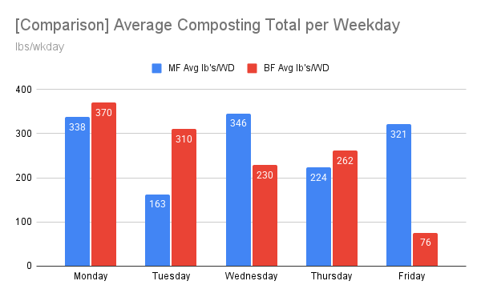
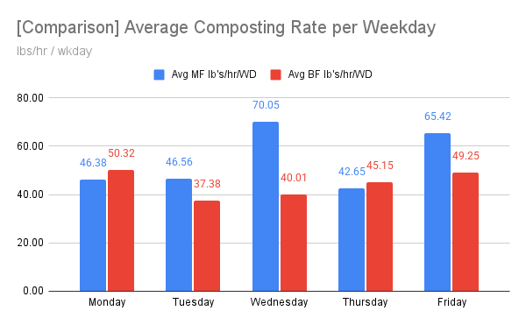
 | Thur | 224 |  | Thur | 262 |  | Thur | 485
 | Fri | 332 |  | Fri | 76 |  | Fri | 408
 | avg MF wkdy | Avg lb's/hr/WD |  | avg BF wkdy | Avg lb's/hr/WD |  | avg wkdy | Avg lb's/hr/WD
 | Mon | 46.63 |  | Mon | 44.19 |  | Mon | 45.57
 | Tues | 46.56 |  | Tues | 36.95 |  | Tues | 38.56
 | Wed | 52.67 |  | Wed | 33.28 |  | Wed | 55.63
 | Thur | 39.39 |  | Thur | 36.88 |  | Thur | 42.87
 | Fri | 57.10 |  | Fri | 47.82 |  | Fri | 59.76
 | avg MF wkdy | Avg hr/WD |  | avg BF wkdy | Avg hr/WD |  | avg wkdy | Avg hr/WD
 | Mon | 7:21:11 |  | Mon | 8:03:48 |  | Mon | 14:41:00
 | Tues | 3:34:18 |  | Tues | 8:25:49 |  | Tues | 11:40:38
 | Wed | 5:43:00 |  | Wed | 5:41:23 |  | Wed | 10:46:27
 | Thur | 5:02:42 |  | Thur | 6:16:48 |  | Thur | 11:19:30
 | Fri | 5:22:53 |  | Fri | 1:25:17 |  | Fri | 6:29:13

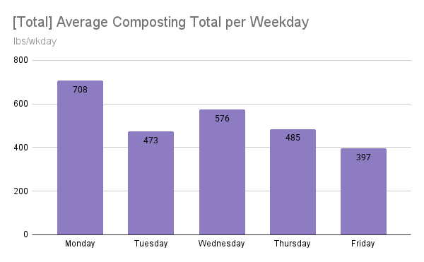
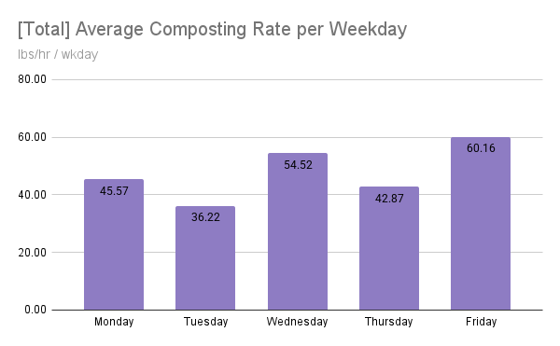
 | [all time] shifts worked: |  | 304 |  |  |  |  |  |  | [all time] shifts missed |  | 38
 | Ambassador Data
 | Ambassador | total lbs | True total lbs | score | avg period | expected shifts as of 12/12/2025 | shifts worked | called out shifts | skipped shifts | total hrs | lb/hr | lb/shift
FALSE | Orpheus Wilson | 3,001 | 3,878 | 135.48% | Monday | 30 | 25 | 0 | 5 | 39:45:00 | 75.50 | 120.04
FALSE | Greta Traynor | 1,997 | 2,374 | 105.39% | Monday | 38 | 32 | 3 | 3 | 44:45:00 | 44.63 | 62.41
FALSE | Emma Korsu | 1,329 | 2,308 | 127.10% | Monday | 10 | 9 | 2 | -1 | 24:58:00 | 53.23 | 147.67
FALSE | Emmett Khan | 4,151 | 5,459 | 107.48% | Monday | 41 | 31 | 4 | 6 | 69:46:00 | 59.50 | 133.90
TRUE | Sarah Wilme | 1,699 | 2,644 | 91.62% | Monday | 30 | 15 | 3 | 12 | 51:00:00 | 33.31 | 113.27
FALSE | Maureen Surgot | 3,119 | 3,952 | 86.12% | Tuesday | 31 | 28 | 1 | 2 | 73:35:00 | 42.39 | 111.39
FALSE | Brynn Hornig | 2,620 | 3,235 | 86.67% | Tuesday | 31 | 32 | 0 | -1 | 66:59:00 | 39.11 | 81.88
FALSE | Leisly Aceituno | 89 | 767 | 93.23% | Tuesday | 11 | 2 | 0 | 9 | 2:30:00 | 35.60 | 44.50
FALSE | Kaylie Forgue | 4,195 | 4,947 | 102.31% | Wednesday | 30 | 28 | 2 | 0 | 84:35:00 | 49.60 | 149.82
FALSE | Evan Morgan | 800 | 800 | 96.86% | Thursday | 19 | 11 | 1 | 7 | 33:24:00 | 23.95 | 72.73
FALSE | Elliott Haber | 1,076 | 1,076 | 92.78% | Friday | 7 | 8 | 1 | -2 | 20:37:00 | 52.19 | 134.50
FALSE | Oluwatimilehin Shodipe | 798 | 798 | 100.24% | Monday | 8 | 8 | 0 | 0 | 13:23:00 | 59.63 | 99.75
FALSE | Laila Maisuria | 540 | 540 | 59.09% | Monday | 8 | 9 | 1 | -2 | 18:41:00 | 28.90 | 60.00
FALSE | Kyra Turner | 659 | 659 | 68.78% | Tuesday | 7 | 6 | 1 | 0 | 14:36:00 | 45.14 | 109.83

Master Spring 2026
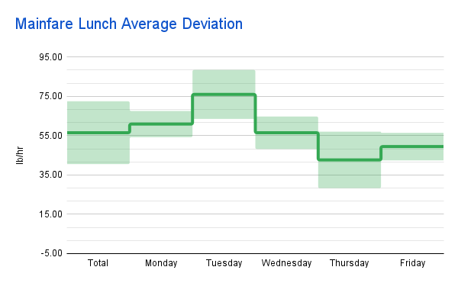
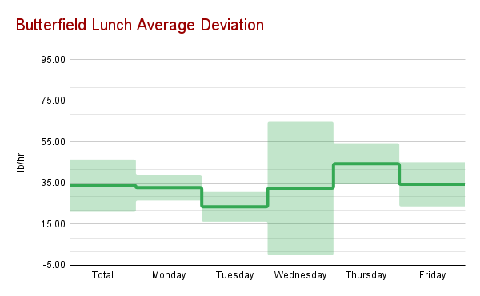
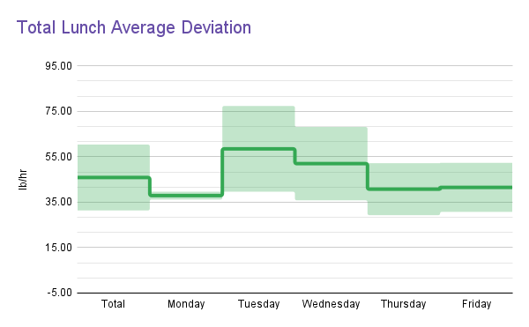
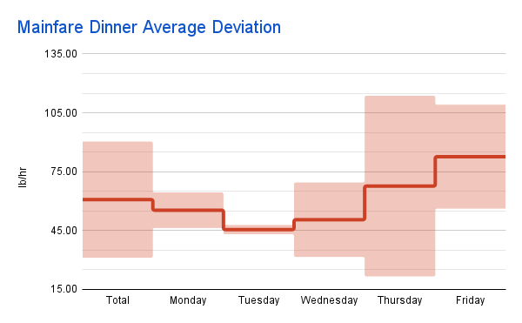
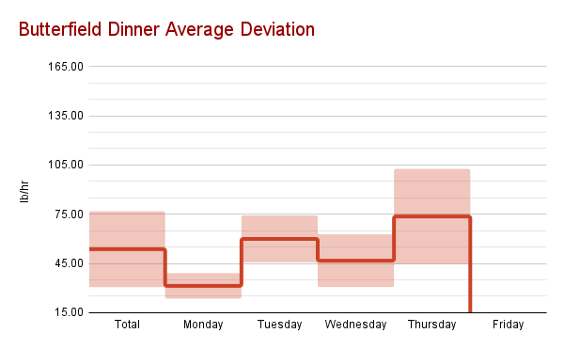
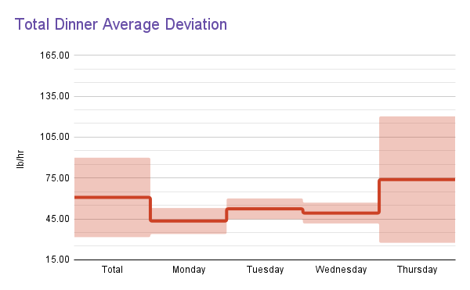
 |  | Spring 2026 Composting Data

# of ambassadors
14
 | Mainfare Total Data |  |  | Butterfield Total Data |  |  | Total Data
The total lbs collected (since hrs data been collected) | Total lbs | 16,299 |  | Total lbs | 15,046 |  | Total lbs | 31,345
The average of the total lbs collected each day (since hrs data been collected) | avg lb p/wrkday | 262.89 |  | avg lb p/wrkday | 259.41 |  | avg lb p/wrkday | 497.54
The total lbs collected over the total hours worked | Total lbs/hr | 58.19 |  | Total lbs/hr | 42.68 |  | Total lbs/hr | 49.55
The average of the hourly rate of each ambassador | avg ambassador lb p/hr | 59.14 |  | avg ambassador lb p/hr | 43.03 |  | avg ambassador lb p/hr | 50.87
The total hours worked | Total hours | 280.08 |  | Total hours | 352.50 |  | Total hours | 632.58
The average of all of the hours worked each day | avg hrs/day | 4:31:03 |  | avg hrs/day | 6:04:39 |  | avg hrs/day | 10:02:28
The number of lbs of CO2 not emitted due to diversion | Impact [lbs of Co2e] | 10,358.50 |  | Impact [lbs of Co2e] | 9,562.18 |  | Impact [lbs of Co2e] | 19,920.69

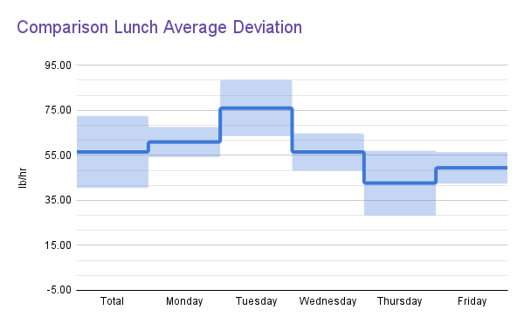
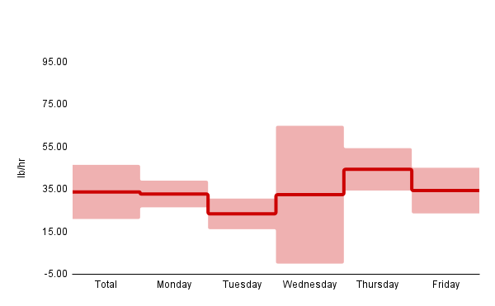
 | Mainfare Weekday Data |  |  | Butterfield Weekday Data |  |  | Total Weekday Data
 | avg MF wkdy | Avg lb's/WD | weekdays | avg BF wkdy | Avg lb's/WD |  | avg wkdy | Avg lb's/WD
 | Mon | 308 | Monday | Mon | 213 |  | Mon | 521
 | Tues | 310 | Tuesday | Tues | 310 |  | Tues | 620
 | Wed | 232 | Wednesday | Wed | 299 |  | Wed | 531
 | Thur | 181 | Thursday | Thur | 371 |  | Thur | 552
 | Fri | 304 | Friday | Fri | 113 |  | Fri | 417
 | avg MF wkdy | Avg lb's/hr/WD | Saturday | avg BF wkdy | Avg lb's/hr/WD |  | avg wkdy | Avg lb's/hr/WD
 | Mon | 60.82 |  | Mon | 40.49 |  | Mon | 48.75
 | Tues | 72.46 |  | Tues | 53.11 |  | Tues | 59.41
 | Wed | 47.55 |  | Wed | 43.90 |  | Wed | 46.00
 | Thur | 55.65 |  | Thur | 40.91 |  | Thur | 47.12
 | Fri | 62.68 |  | Fri | 35.03 |  | Fri | 48.20
 | avg MF wkdy | Avg hr/WD |  | avg BF wkdy | Avg hr/WD |  | avg wkdy | Avg hr/WD
 | Mon | 5:12:42 |  | Mon | 5:38:30 |  | Mon | 10:51:12
 | Tues | 4:32:10 |  | Tues | 6:19:33 |  | Tues | 10:20:05
 | Wed | 4:48:46 |  | Wed | 6:52:55 |  | Wed | 11:09:55
 | Thur | 3:17:39 |  | Thur | 8:25:25 |  | Thur | 10:30:51
 | Fri | 4:59:18 |  | Fri | 3:17:42 |  | Fri | 7:41:30

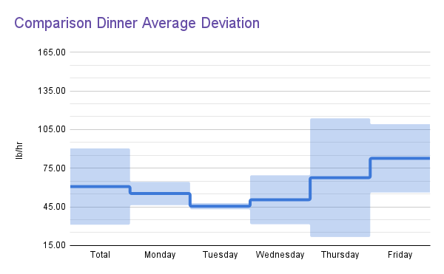
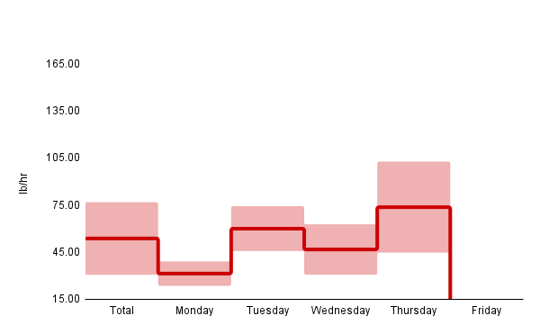

 | [all time] shifts worked: |  | 280 | 127.36% |  |  |  |  | [all time] shifts missed |  | 108
 | Ambassador Data
 | Ambassador | total lbs | score | avg period | expected shifts as of 5/1/2026 | shifts worked | Worked Shifts | skipped shifts | total hrs | lb/hr | lb/shift
TRUE | Alexis Sylvestre | 193 | 83.63% | Dinner | 25 | 3 | 0 | 22 | 4:50:00 | 39.93 | 64.33
FALSE | Arjya Aich | 837 | 72.91% | Dinner | 44 | 11 | 0 | 33 | 30:45:00 | 27.22 | 76.09
FALSE | Brynn Hornig | 3,497 | 114.36% | Lunch | 34 | 34 | 1 | 0 | 90:22:00 | 38.70 | 102.85
FALSE | Denise Romanszysn | 1,741 | 166.61% | Breakfast | 31 | 15 | 0 | 16 | 29:30:00 | 59.02 | 116.07
FALSE | Emmett Khan | 2,302 | 128.10% | Dinner | 24 | 24 | 1 | 0 | 35:51:00 | 64.21 | 95.92
FALSE | Evan Morgan | 1,481 | 73.14% | Lunch | 33 | 26 | 1 | 7 | 44:18:00 | 33.43 | 56.96
FALSE | Kaylie Forgue | 2,749 | 177.56% | Breakfast | 31 | 30 | 1 | 1 | 53:43:00 | 51.18 | 91.63
TRUE | Kyra Turner | 4,226 | 180.57% | Lunch | 24 | 23 | 1 | 1 | 62:00:00 | 68.16 | 183.74
FALSE | Laila Maisuria | 769 | 98.58% | Dinner | 13 | 6 | 0 | 7 | 16:49:00 | 45.73 | 128.17
FALSE | Leah Bucci | 4,062 | 117.15% | Dinner | 31 | 26 | 1 | 5 | 75:16:00 | 53.97 | 156.23
FALSE | Maureen Surgot | 3,159 | 105.47% | Dinner | 21 | 19 | 1 | 2 | 67:10:00 | 47.03 | 166.26
FALSE | Oluwatimilehin Shodipe | 2,591 | 110.03% | Lunch | 33 | 26 | 1 | 7 | 53:24:00 | 48.52 | 99.65
FALSE | Orpheus Wilson | 2,477 | 170.94% | Dinner | 21 | 19 | 90.48% | 2 | 32:44:00 | 75.67 | 130.37
FALSE | Sophia Kluck | 1,261 | 111.11% | Breakfast | 23 | 17 | 73.91% | 6 | 35:53:00 | 35.14 | 74.18

